Sheet1
 | 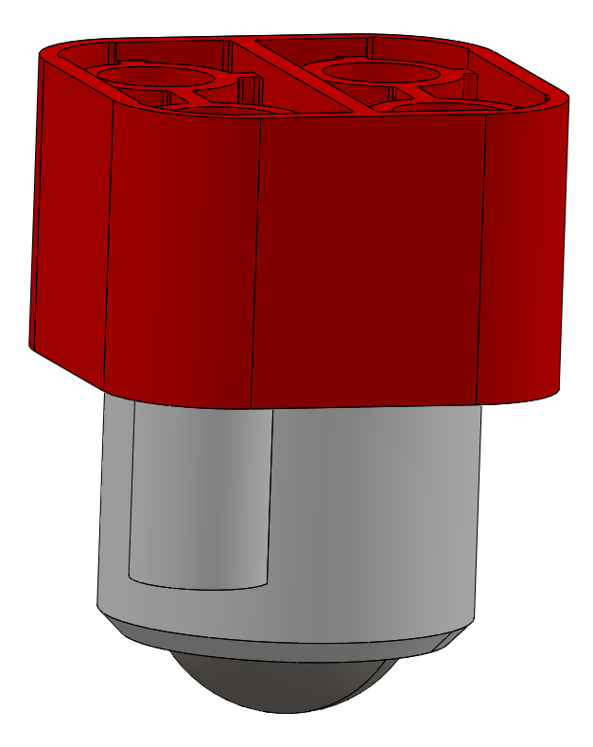 | 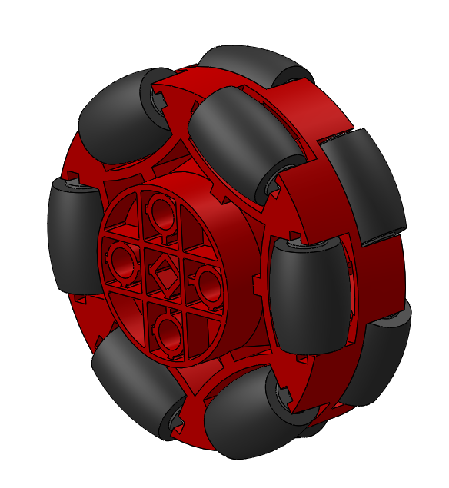
Name | Caster wheel | Omniwheel
Part Nr | CWbA | WHoM
 |  | previously I sent the model with OWbeta code, but please use WHoM in the future
New? | Existing part, only improvement is needed to decrease rolling friction of metal ball | New part, design is not finalized, please work together on it to optimize the design
Amount | 2pcs in Foundation kit, not part of challenge kit | 2pcs in challenge kit only, not part of foundation kit

